Toss Decision
Decision | Wins
Field | 330
Bat | 159

Match win based on toss decicion

Result Type
Match wins by result type
Result Type | Wins
Runs | 509
Wickets | 423
SuperOver | 9
NoResults | 9

Wins by Venue
Matches win by venue
Venue | Runs | Wickets
Eden Gardens | 32 | 45
Wankhede Stadium | 35 | 37
M Chinnaswamy | 26 | 36
Feroz Shah Kotla | 28 | 31
Rajiv Gandhi Intl | 20 | 28
MA Chidambaram | 30 | 17
Sawai Mansingh | 15 | 22
Dubai Intl | 21 | 22
Punjab Cricket Assoc | 18 | 20
Wankhede Stadium (2) | 12 | 19

Team Wins
Team | Wins
Gujarat Lions | 13
Rising Pune | 15
Deccan Chargers | 29
Delhi Capitals | 36
Delhi Daredevils | 67
Sunrisers Hyderabad | 78
Kings XI Punjab | 88
Rajasthan Royals | 96
Royal Challengers | 109
Kolkata Knight Riders | 114
Chennai Super Kings | 121
Mumbai Indians | 131

Total wins by a team for a season

Sheet3
Row Labels | Sum of Year
Chris Gayle (RCB) | 4023
David Warner (SRH) | 6051
Jos Buttler (RR) | 2022
Kane Williamson (SRH) | 2018
KL Rahul (PBKS) | 2020
Matthew Hayden (CSK) | 2009
Michael Hussey (CSK) | 2013
Robin Uthappa (KKR) | 2014
Ruturaj Gaikwad (CSK) | 2021
Sachin Tendulkar (MI) | 2010
Shaun Marsh (PBKS) | 2008
Shubman Gill | 2023
Virat Kohli | 2024
Virat Kohli (RCB) | 2016
Grand Total | 34272

Dashboard


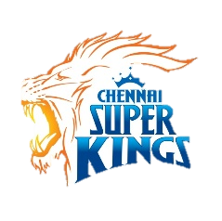




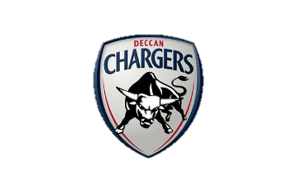
IPL ANALYSIS
(2008-2012)
Select Season

2019

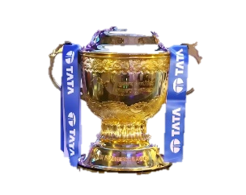
Title Winner
Mumbai Indians

Orange Cap
David Warner (SRH)
Total Run:
692

Purple Cap
Imran Tahir
Total Wickets:
Tournament 6's
21
Tournament 4's
57

26


IPL Batting Stats
Select Batsman
670
129.34
58
23
Boling Stats
Select Boller
26
623.08
6.23
2.70
Match win based on toss decicion
Field | 330
Bat | 159

Bolling SR
Total Run
6's
4's
Strike Rate
Wickets
Economy
Average
 | Batsman | KL Rahul (PBKS)

 | Boller | Imran Tahir

Matches win by venue
 | Runs | Wickets
Eden Gardens | 32 | 45
Wankhede Stadium | 35 | 37
M Chinnaswamy | 26 | 36
Feroz Shah Kotla | 28 | 31
Rajiv Gandhi Intl | 20 | 28
MA Chidambaram | 30 | 17
Sawai Mansingh | 15 | 22
Dubai Intl | 21 | 22
Punjab Cricket Assoc | 18 | 20
Wankhede Stadium (2) | 12 | 19
Total wins by a team for a season
 | Wins
Gujarat Lions | 13
Rising Pune | 15
Deccan Chargers | 29
Delhi Capitals | 36
Delhi Daredevils | 67
Sunrisers Hyderabad | 78
Kings XI Punjab | 88
Rajasthan Royals | 96
Royal Challengers | 109
Kolkata Knight Riders | 114
Chennai Super Kings | 121
Mumbai Indians | 131

Match wins by result type
 | Wins
Runs | 509
Wickets | 423
SuperOver | 9
NoResults | 9

